ANSWERS F keys 1
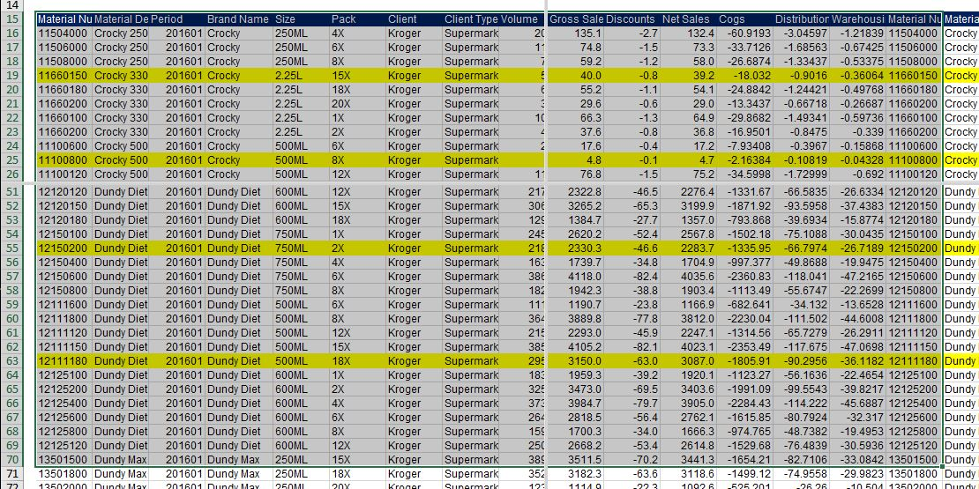
SOLUTION - F keys Pt.1
Task 1: Select K27 and split the screen.

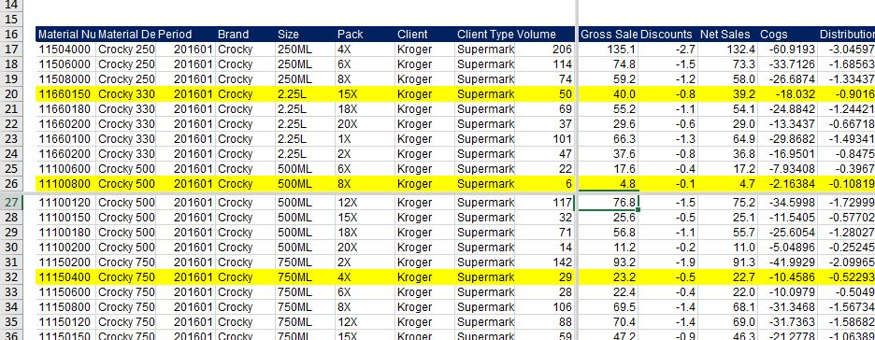

Task 2: Select M19. Press F6 as often as necessary to get to the upper left quadrant of the screen.

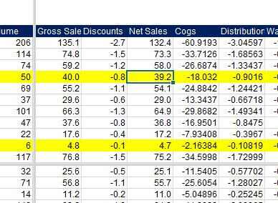

Task 3: Use a combination of the Ctrl and arrow keys to get to cell E15.

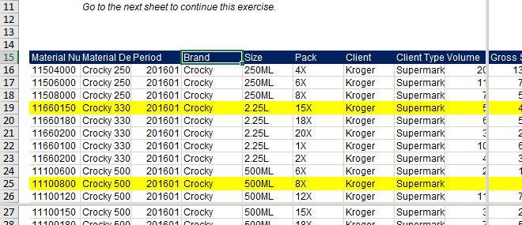

Task 4: Use the F2 key to edit E15 and call it "Brand Name".

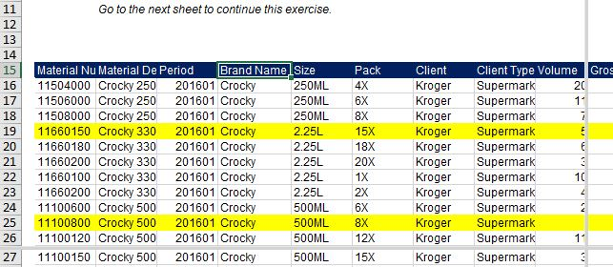

Task 5: Select the top-left cell of the table. Use the F8 key and the scrollbars to mark all cells through Q70.

ANSWERS F keys 2
SOLUTION - F keys Pt. 2

Task 1: Select the cell corresponding to the Gross Profit Value of Company A. Use an F key to edit this cell. Press Escape at the end.

Task 2: Next, select this cell, copy it using a keyboard combination with Ctrl, and paste it below. Now you must have the value of Gross Profit for Company B.

Task 3: Use one of the F keys to repeat the last action and paste this formula in G18.

Task 4: Select the cell corresponding to the Gross Profit of Company A. If you want to know the cost of Company A, how can you obtain it using an F key? Edit this cell, and with the help of an F key, discover the value of the cost of Company A.
Hint: Don't forget to press Escape after finishing point 4!

